Sheet1
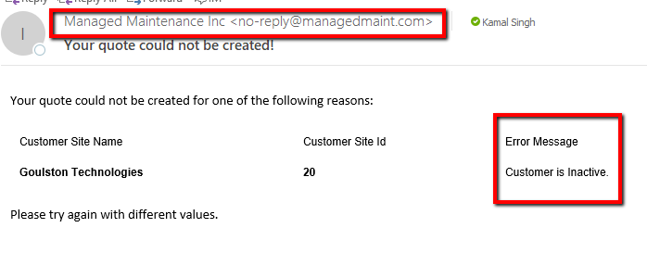
Steps | Creating a quote from an Agreement.

1 | To get started, first log in to the Schneider Portal with the SE username and password that has been provided to you.
 | Click the login button to continue.
 | In the event that you forget your password click the Forgot password? link.
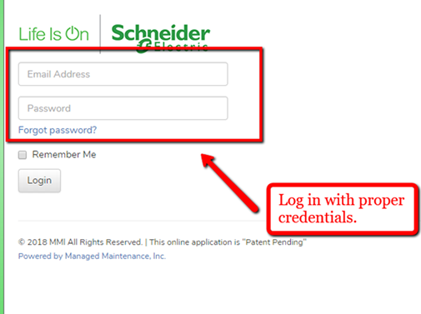

2 | Once you are logged in, your screen will default to the SE Dashboard.
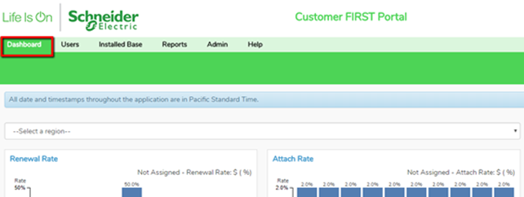

3 | In order to access the Agreements in tool to create a quote, first click on the "Installed Base" tab and then Agreements.
4 | To start a quote, select and Agreement by number or by Brand and select the "Create Quote" button.

5 | On the following pop up page, you may select an "optional" Parent Agreement and click the Continue Button.

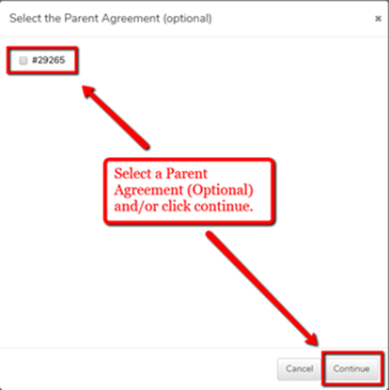

6 | If the Parent Agreement is present in another quote, you will receive a warning for this. You may continue with the selection or unselect the Parent. Click OK and the system will send you and email notification for the quote when it is ready.

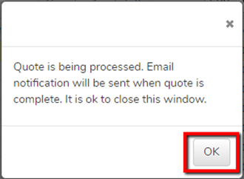

7 | Proceed to check your email for the quote from the system. The email will explain an error messages that may have caused the quote to not be created. The email subject will specify that it was successful or not.

Sheet2




